PKG BOMs (JB&BAG) pack1
HANESbrands INC. PACKAGING SPECIFICATIONS |  |  |  |  |  |  |  |  | PACKAGING BILL OF MATERIAL DETAILS
PACKAGING BOM
SELLING STYLE: | 2176BK |  |  |  | ISSUE DATE : | 2007-02-26 | REVISED DATE : | 2015-05-20 | PAGE PACK1
PACKAGING TYPE

POLYBAG
 | SIZE | PART # | QTY/Pkg | QTY/DZ PKG | DESCRIPTION | MATERIAL
 | Small | AP2803 | 1 | 12 | 8.75 x 14 | 1.75 mil HCPE
 | MEDIUM | AP2803 | 1 | 12 | 8.75 x 14 | 1.75 mil HCPE
 | LARGE | AP2803 | 1 | 12 | 8.75 x 14 | 1.75 mil HCPE
 | X-LARGE | AP2804 | 1 | 12 | 9.25 x 15 | 1.75 mil HCPE
 | 2X-LARGE | AP2804 | 1 | 12 | 9.25 x 15 | 1.75 mil HCPE
 | 3X-LARGE | AP2804 | 1 | 12 | 9.25 x 15 | 1.75 mil HCPE

INSERT |  |  |  | (APS)
 | SIZE | PART # | QTY / PKG | QTY / DOZ PKGS | DESCRIPTION | MATERIAL
 | ALL | AHI006 | 1 | 12 | 6.5" x 9.5" insert | 16-20pt

SIZE STICKER |  |  |  |  |  | Placement of Sticker: Front side of polybag inside the white block -
 | SIZE | PART # | QTY/Pkg | QTY/DZ | DESCRIPTION
 | Small | ASF934 | 1 | 3 | Size Sticker
 | MEDIUM | ASF935 | 1 | 3 | Size Sticker
 | LARGE | ASF936 | 1 | 3 | Size Sticker
 | X-LARGE | ASF937 | 1 | 3 | Size Sticker
 | 2X-LARGE | ASF938 | 1 | 3 | Size Sticker
 | 3X-LARGE | ASF939 | 1 | 3 | Size Sticker

EPC STICKER

 | SIZE | PART # | QTY/DZ | DESCRIPTION
 | ALL | ASE253 | 3 | Blank EPC sticker

 | Pre-printed EPC sticker part numbers listed on HISTORY page

FOLDING INSTRUCTIONS

v | Use Method | BF1 | on How To Fold tab to fold 1 stack of 4 shirts
v | Place the garments into the correct polybag with the front of the shirts facing the front of the bag
v | TAPE MUST NOT BE VISIBLE FROM THE FRONT WHEN PACKAGED
v | Seal bag with no more than 1/2" of slack/empty space.
v | PLACE SIZE AND UPC STICKERS IN DESIGNATED AREAS (SEE PHOTO BELOW)
 | Package Dimensions for Cube: (See "How to measure document" on zone)
 | All measurements are +/- .25"
 |  | Finished | Finished | Finished | Pkg
 | Size | Length: | Width: | Depth: | Weight
 | S- M - L | 9.75" | 7" | 2 1/4" | 1.1 - 1.27 - 1.4
 | XL - 2XL | 10.5" | 7" | 2 3/4" | 1.48 - 1.69
 | 3XL | 11.0" | 7" | 2 3/4" | 1.95

Place the SIZE sticker over the white block
Place the EPC sticker inside the white block

 |  |  | SEE PACKAGING HISTORY-pack5 FOR PREVIOUS PACKAGING PART NUMBERS
Confidential- Not to be copied or distributed without written permission of Hanesbrands, Inc.

UWMCV1E Mass V EPC 1.5x3
HANESbrands INC. PACKAGING SPECIFICATIONS |  |  |  |  |  |  |  |  |  | UPC INFORMATION
PACKAGING BOM |  |  |  |  |  |  |  |  | PAGE | PACK3
SELLING STYLE: | 2176BK |  |  |  |  | ISSUE DATE : | 2014-10-15 | REVISED DATE : | 2015-04-13

UPC CODES | STYLE # | XSIZE | PCK | SZL | SZP | SIZE
0 43935 - 69130 1 | 2176BK | 0 | 4 | 4 | 1 | S
0 75338 - 62233 0 | 2176BK | 0 | 4 | 4 | 2 | M
0 75338 - 62234 7 | 2176BK | 0 | 4 | 4 | 3 | L
0 75338 - 62235 4 | 2176BK | 0 | 4 | 4 | 4 | XL
0 75338 - 62236 1 | 2176BK | 1 | 4 | 4 | 5 | 2XL
0 75338 - 82706 3 | 2176BK | 1 | 4 | 4 | 6 | 3XL

 |  | Underwear Mass Vertical
 |  | EPC SAMPLE FORMAT
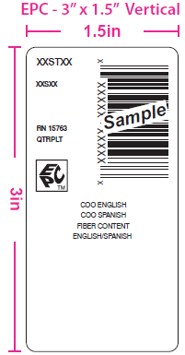

Refernece garment Label for COO and Fiber Content.

Example of how to print COO:
MADE IN DOMINICAN REPUBLIC
HECHO EN REPÚBLICA DOMINICANA

Content Example:
75% COTTON/ ALGODÓN,
25% POLYESTER/ POLIÉSTER
Assortment Content Example:
SOLIDS: 100% COTTON/ ALGODÓN
HEATHERS: 75% COTTON/ ALGODÓN,
25% POLYESTER/ POLIÉSTER

EPC symbol required for EPC/RFID Labels

SEE MATERIAL SPEC and BOM FOR ASE253 FOR REFERENCE:
Must always be ordered oriented only one way on roll (3" wide).

CASE-pack4
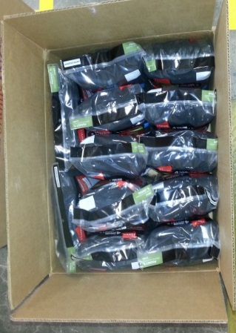
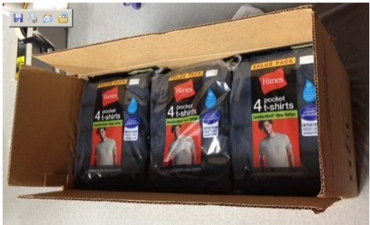

HANESbrands INC. PACKAGING SPECIFICATIONS |  |  |  |  |  |  |  |  |  |  |  |  |  |  |  |  | CASING DETAILS
PACKAGING BOM |  |  |  |  |  |  |  |  |  |  |  |  |  |  |  | PAGE | PACK4
SELLING STYLE: |  | 2176BK |  |  |  |  |  |  |  | ISSUE DATE : |  | 2007-02-26 |  | REVISED DATE : |  | 2015-05-14

PACKAGING MATERIAL |  |  | USAGE |  | DC Cases/ | Grmts/ |  |  |  |  |  | USAGE / DOZ PKGS
 |  |  | UOM | PART# | Pallet | Pallet | SIZE | S | MD | LG | XL | 2XL | 3XL
Master Carton |  |  | ea | PC831 | 32 | 1536 | -- | 1.0000 | -- | -- | -- | -- | --
Master Carton |  |  | ea | PC694 | 18 | 864 | -- | -- | 1.0000 | 1.0000 | 1.0000 |  | --
Master Carton |  |  | ea | PC825 |  |  | -- | -- | -- | -- | -- | 1.0000 | 1.0000
Baler Bag (first)( gmt/bag) |  |  |  |  |  | -- | -- | -- | -- | -- | -- | -- | --
Case Label & Ribbon Part # (DO NOT LOAD IN APS) |  |  | ea | ASB925 |  | -- | -- | -- | -- | -- | -- | -- | --
Case Tape Part # Printed (DO NOT LOAD IN APS) |  |  |  | PPT007 |  | -- | -- | -- | -- | -- | -- | -- | --
Case Tape Part # Clear (DO NOT LOAD IN APS) |  |  |  | PPT008 |  | -- |  | -- | -- | -- | -- | -- | --
CASING DETAILS
 |  |  |  |  |  |  | SIZE | S | MD | LG | XL | 2XL | 3XL | 0 | 0 | 0 | 0
FIRST QUALITY |  |  |  |  |  | PKGS / CASE |  | 12 | 12 | 12 | 12 | 12 | 12
2176BK |  |  |  |  |  | PKG WEIGHT (LBS) |  | 1.27 | 1.4 | 1.48 | 1.69 | 1.95 | 1.95
 |  |  |  |  |  | INNER WEIGHT (LBS) |  | 15.24 | 16.80 | 17.76 | 20.28 | 23.40 | 23.40
 |  |  |  |  |  | CASE WEIGHT (LBS) |  | 16.74 | 18.30 | 19.26 | 21.78 | 24.90 | 24.90
 |  |  |  |  |  | GARMENTS / CASE |  | 48 | 48 | 48 | 48 | 48 | 48
 |  |  |  |  |  | 1 DOZ GARMENT WEIGHT (LBS) |  | 3.81 | 4.20 | 4.44 | 5.07 | 5.85 | 5.85

PLANT TO DC CASING INSTRUCTIONS: |  |  |  |  |  |  | “For styles with multiple assortments, each baler bag (inner) should contain a random assortment of packages with no two of the same of any assortment, for as many bailers as possible to achieve the percentage of assortments for the case.”
12/1 (4 DOZENS PER CASE) 12 PACKAGES PER CASE,LOOSE

ASA652 (Purple Square Sticker to identify that the case has the EPC's inside) NEEDS TO BE PLACED ON THE END OF THE CASE - "HBI LOGO SIDE"
PU CODE: 000

PLEASE ADD CASE LINER FOR PACKAGE PROTECTION
Confidential- Not to be copied or distributed without written permisson of Hanesbrands, Inc.

 | PC831 |  |  |  |  | PC694 |  |  |  |  |  |  | PC825

